METHODOLOGY & BACKGROUND
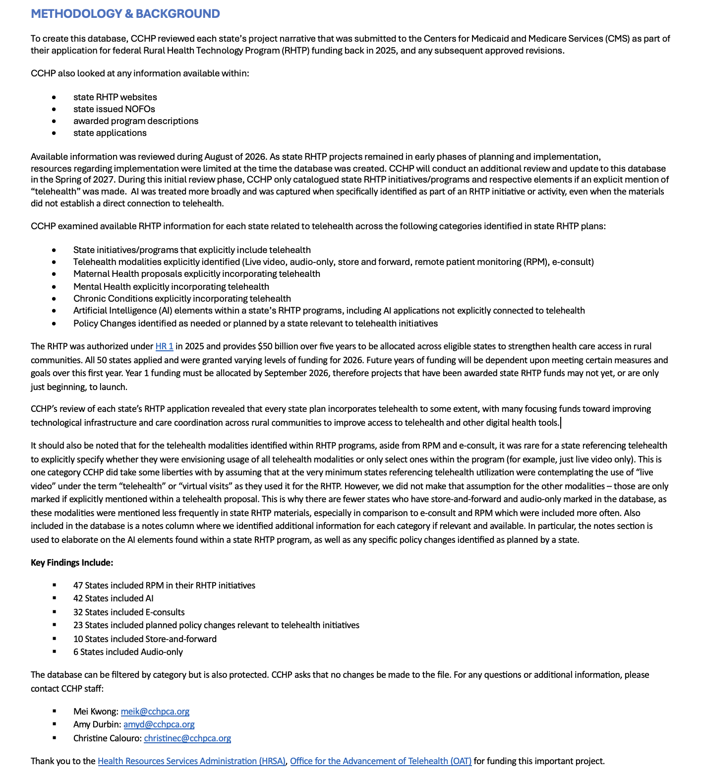
This database is supported by the Health Resources and Services Administration (HRSA) of the U.S. Department of Health and Human Services (HHS) as part of Grant Number U6743496 funded by the Office for the Advancement of Telehealth at HRSA/HHS. The contents are those of the author(s) and do not necessarily represent the official views of, nor an endorsement, by HRSA/HHS, or the U.S. Government.

